Sheet1
1. Required before pricing finalization: If a quote/service line requires vendor-based margin calculation, the system must block “finalize/approve/send” actions until a valid vendor base rate is present (or explicitly marked as “pending vendor quote” with the proper workflow state).
2. Currency + validation: Vendor base rate must be stored as currency (2 decimals). The system must reject non-numeric formats, negative values, and zero values, and show a clear inline error explaining what to fix.
3. Change tracking (audit): Every update to vendor base rate must create an audit record capturing: previous value, new value, user, timestamp, and reason/category (e.g., “new hauler quote”, “correction”, “contract renewal”).
4. No silent retroactive changes: Updating vendor base rate must not retroactively change already approved quotes or posted invoices. The system must preserve a “cost snapshot” on those records and only apply the new vendor cost to new quotes or to records explicitly re-priced by an authorized user.
5. Downstream margin effects + warnings: When vendor base rate changes on an in-progress quote, the system must immediately recompute margin and display the impact (e.g., margin % change) and, if margin falls below threshold, display the appropriate “approval required” status and restrict approval actions by role.
6. Permissions: Only authorized roles (e.g., Fulfillment, Vendor Management, Admin) can edit vendor base rates; other roles (e.g., AM (Account Manager)) may view but cannot modify. Permission denial must be explicit (read-only + tooltip/message).
1. The system must aggregate all applicable vendor cost components including:
- Base rental rate
- Accessories
- Delivery and removal charges
- Service frequency charges
- Fuel and environmental fees
- Taxes (when applicable)
2. The system must calculate total vendor cost before margin application.
3. The system must apply a configurable margin target (default 35%) to calculate the suggested customer rate.
4. The system must display: Vendor total, Margin percentage, Suggested customer rate, Resulting margin %
5. Margin recalculation must occur instantly when: Vendor cost changes, Quantity changes, Service frequency changes, Accessories are added or removed
6. The customer-facing rate must not expose individual vendor cost components (no nickel-and-dime visibility).
7. Calculation logic must support product-specific pricing variations (e.g., quantity-based vs per-unit logic).
ID | Group | Category | Epic | Parent Task | Task Name | User Story | Description | Acceptance Criteria | Timestamp | Mockups | Notes | Responsible
CUBE-D2-001 | Pricing & Margin Engine | Functional Logic | Vendor Pricing Management | Vendor Cost Entry | Capture Vendor Base Rate | As an Account Manager (AM), I want to capture and maintain a vendor’s base cost/rate for a service line item, so that margin calculations and suggested customer pricing are accurate and auditable. | Vendor cost is the starting point for Cube’s pricing logic: it drives suggested customer rates, margin calculations (targeting ~35% where applicable), and downstream approval workflows when margin falls below thresholds. The system must support entering vendor rates in a structured way (currency, validation rules), ensure changes are fully traceable (who/when/what changed), and preserve historical snapshots so previously approved quotes and posted invoices don’t get unintentionally recalculated after a cost update. |  | Day 2, Part 2 [0:08 – 0:09:15] | 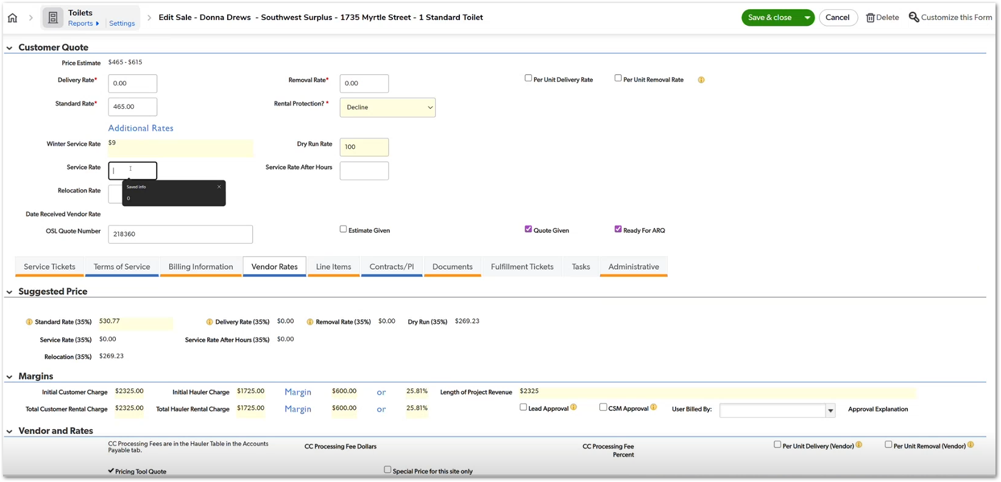 | This is the “root input” for margin logic—if vendor cost is wrong, everything downstream (suggested price, approvals, disputes) becomes unreliable. Snapshot behavior is non-negotiable to avoid “why did my approved number change?” escalations. | TBD
CUBE-D2-002 | Pricing & Margin Engine | Calculation Engine | Customer Pricing Calculation | Suggested Rate Calculation | Apply 35 Percent Target Margin | As an Account Manager (AM), I want the system to automatically calculate a suggested customer rate based on vendor costs and margin targets (35%), so that pricing is consistent, simplified, and aligned with profitability goals. | The system must aggregate all vendor-related charges (base cost, accessories, fuel, environmental fees, delivery, removal, taxes, service frequency adjustments, etc.), compute total vendor exposure, and apply a target margin (typically 35%) to generate a simplified customer-facing “standard rate.” |  | Day 2, Part 2 [0:08 – 0:12:30] | 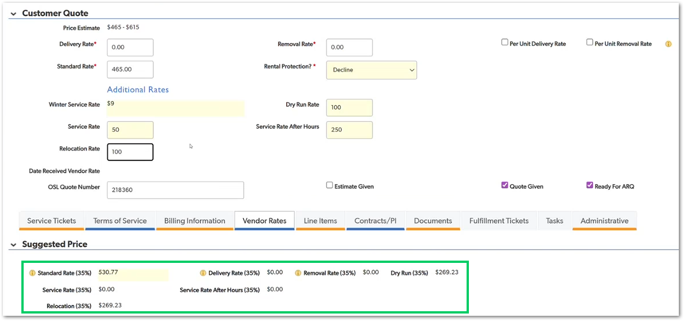 | This is one of the heaviest calculation areas in the system. Must support different product logic (roll-offs vs toilets behave differently). | TBD
1. The system must continuously calculate margin percentage in real time as pricing inputs change.
2. If margin falls below the configured target threshold (e.g., 35%), the system must visually flag the record as “Low Margin – Approval Required.”
3. The system must enforce tiered approval levels:
- Margin slightly below target → CSS approval required.
- Margin significantly below threshold → CSM approval required.
- Negative margin → Higher-level manager approval required.
4. While approval is pending, the system must prevent: Finalizing the quote, Sending to customer, Activating service
5. Approval decisions must capture: Approver name, Timestamp, Margin at time of approval, Mandatory justification comment
6. If pricing values change after approval and margin moves further below threshold, approval must reset and re-trigger workflow.
7. The system must log all approval transitions in the audit trail.
8. Dashboard/report visibility must show records pending low margin approval.
CUBE-D2-003 | Pricing & Margin Engine | Functional Logic | Margin Governance & Approval Controls | Low Margin Approval Process | Trigger and Route Low Margin Approvals | As an Account Manager (AM), I want the system to automatically trigger approval workflows when margin falls below defined thresholds, so that pricing decisions remain controlled and financially compliant. | When the calculated margin on a quote or service falls below predefined thresholds, the system must automatically restrict progression and initiate an approval workflow. Margin thresholds are tiered. Depending on how low the margin is (e.g., below target %, below minimum %, or negative margin), different approval levels are required (e.g., CSS approval vs CSM approval vs higher management approval). |  | Day 2, Part 2 [0:13:40 – 0:17:30] | 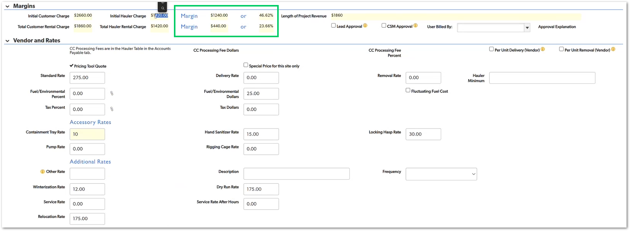 | Threshold values must be configurable (not hard-coded). Approval routing must support role-based escalation. Must integrate with notification system. | TBD
1. The system must allow quantity-based pricing for product lines that support aggregated identical units (e.g., toilets, storage containers).
2. For roll-off products:
- Quantity must default to 1.
- Quantity field must be hidden or disabled.
- Each roll-off must generate a separate product record.
3. The system must support per-unit delivery and removal rates where applicable.
4. The system must also support vendor logic where charges are applied once per truckload rather than per unit.
5. If quantity changes: Pricing must recalculate automatically. Future service tickets must reflect updated quantities.
6. Margin calculations must update dynamically after any quantity modification.
7. The system must preserve historical pricing on already approved quotes when quantity changes occur after approval.
8. Product configuration must define whether:
- Quantity is enabled
- Delivery/removal is per-unit
- Charges are variable or flat
CUBE-D2-004 | Pricing & Margin Engine | Product Configuration Logic | Product Pricing Variability | Quantity & Per-Unit Handling | Handle Product-Specific Quantity and Per-Unit Logic | As an Account Manager (AM), I want product pricing to behave differently depending on product type and quantity rules, so that calculations reflect real-world vendor billing structures. | Different product lines have different quantity and billing behaviors. For example: Toilets and storage containers can use a quantity field (e.g., quantity = 5 identical units). Roll-offs must always be treated as individual product records (quantity fixed to 1), because service events, removals, and fills vary independently. |  | Day 2, Part 2 [0:00:08 – 0:06:30] | 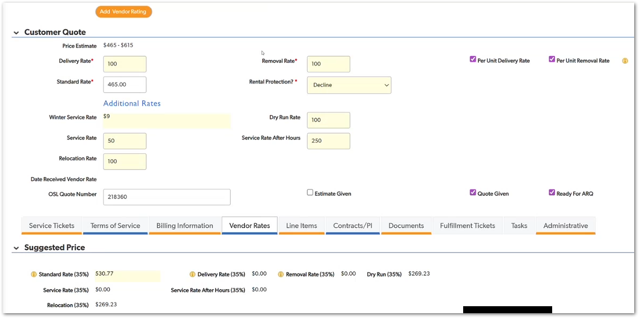 | Supports data-driven vendor selection. | TBD
1. Real-time recalculation: When any vendor cost input is modified (e.g., base rate, delivery, removal, fuel/environmental, accessories), the system must immediately recalculate:
- Suggested customer rates
- Margin amount ($)
- Margin percentage (%)
2. Pre-approval only: Automatic recalculation must apply only while the quote/service is not approved. If the record is already approved, the system must not silently change approved pricing (must follow your “reprice/re-approval” process).
3. Approval state refresh: If recalculation causes margin to fall outside threshold, the system must automatically update the status indicator to “Low Margin Approval Required” (or equivalent), and prevent progression until approvals are completed.
4. No stale approvals: If approvals were already set and then vendor cost changes (affecting margin), the system must invalidate previous approval decisions and require re-approval (with clear messaging: “Vendor cost changed — approvals reset”).
5. Audit trail: Each vendor cost change must create an audit log entry including: Field changed + old/new values, User, Timestamp, Whether margin threshold/approval requirement changed as a result
6. User feedback: The UI must visually indicate recalculation happened (e.g., margin field refresh, recalculation highlight, or message) so users don’t miss that profitability moved.
CUBE-D2-005 | Pricing & Margin Engine | Functional Logic | Post-Quote Adjustment | Vendor Cost Change | Recalculate Margin After Vendor Update | As an Account Manager (AM), I want margin and suggested customer rates to recalculate automatically when vendor costs change before approval, so that profitability and approval requirements remain accurate. | Before a quote/service is approved, vendor costs may be updated (e.g., hauler quote comes back higher/lower, fuel/environmental changes, delivery/removal adjustments). When those vendor values change, Cube must immediately recalculate: Suggested customer pricing, Total margin ($ and %), Whether the pricing now requires low-margin approval |  | Day 2, Part 2 [0:15:35 – 0:16:45] |  | This prevents the “looks profitable → gets approved → later we realize vendor cost changed” failure mode. It’s also the direct trigger for low-margin gating—if this recalculation isn’t instant/reliable, approvals become meaningless and pricing risk goes up fast. | TBD
1. The system must display “Lead Approval” and “CSM Approval” controls only to authorized roles.
2. Only CSS and Admin roles may: Select approval checkboxes, Finalize low-margin approval, Clear approval-required status
3. Account Managers (AM): Must see approval-required indicator, Must NOT be able to modify approval controls, Must NOT be able to finalize a low-margin quote
4. If an unauthorized user attempts approval via API manipulation, the backend must reject the request with an authorization error.
5. Approval actions must log:
- Approver name
- Low Margin Reason
- User billed by
- Approval explanation
6. If margin changes after approval and falls further below threshold, approval must reset and require re-approval by authorized roles.
1. The system must maintain a configurable list of cold months (e.g., December–March).
2. If the service delivery date or active service period overlaps with configured cold months: The system must trigger winter fee logic automatically.
3. Winter service fee must:
- Be applied per unit.
- Use a configurable default amount (e.g., $9).
- Be editable by authorized roles.
4. The winter service fee must be displayed as a separate line item in pricing calculations.
5. Margin calculations must include winter service fees in total revenue and margin.
6. The UI must display a clear reminder/banner when winter fees apply (as shown in screenshot).
7. If the service dates are modified such that they no longer overlap cold months, the winter fee must automatically remove itself.
8. Winter fee logic must only apply to configured product types (e.g., portable toilets), not universally to all products.
9. Audit trail must capture:
- Winter fee amount applied
- Date logic that triggered it
- User modifications (if overridden)
CUBE-D2-006 | Pricing & Margin Engine | Role-Based Access Control (RBAC) | Margin Governance & Approval Controls | Approval Authorization Enforcement | Restrict Low-Margin Approval Actions by Role | As a Customer Support Specialist (CSS), I want only authorized roles (CSS and Admin) to be able to approve low-margin quotes, so that pricing governance rules cannot be bypassed. | Only users with CSS (Customer Support Specialist) or Admin roles may execute approval actions. |  | Day 2, Part 2 [0:14:30 – 0:17:30] |  | Primary governance safeguard. | TBD
CUBE-D2-007 | Pricing & Margin Engine | Seasonal Pricing Logic | Seasonal & Conditional Pricing Controls | Winterization Fee Application | Automatically Apply Winter Service Fee | As an Account Manager (AM), I want winter service fees to be automatically applied during cold months, so that seasonal operational costs are consistently captured in pricing. | Certain products (e.g., portable toilets) incur additional costs during cold months due to winterization requirements. When a service date falls within configured cold months (e.g., December, January, February, March), the system must: Automatically recognize the winter period, Display a reminder message, Apply a per-unit winter service fee (e.g., $9 per unit), Include this fee in total pricing and margin calculations |  | Day 2, Part 2 [0:01:30 – 0:05:30] |  | This is conditional pricing logic based on calendar rules. | TBD
1. When quantity is increased from 1 to N, the system must multiply all per-unit vendor costs by N.
2. Customer-facing rates must scale proportionally when quantity changes.
3. Total fields must update automatically, including:
- Initial Customer Charge
- Initial Hauler Charge
- Total Rental Charge
- Length of Project Revenue
- Margin ($ and %)
4. Margin calculations must be based on aggregated totals, not per-unit margin multiplied afterward.
5. If quantity decreases, totals and margin must recalculate instantly.
6. Charges configured as “per unit” must multiply by quantity.
7. Charges configured as “flat” (e.g., truckload fee if defined as flat) must not multiply by quantity.
8. Approval logic must re-evaluate after any quantity change.
9. Quantity changes must not modify already approved pricing without triggering re-approval.
CUBE-D2-008 | Pricing & Margin Engine | Calculation Engine | Revenue & Margin Aggregation | Quantity-Based Total Calculation | Scale Revenue and Margin by Quantity | As a Customer Support Specialist (CSS), I want total revenue, vendor cost, and margin to scale automatically based on quantity, so that financial metrics accurately reflect the number of units sold. | When multiple identical units are quoted (e.g., 4 portable toilets), the system must multiply: Vendor base cost, Customer-facing rate, Event charges (if per-unit), Seasonal charges (if applicable) Totals shown in the pricing panel (e.g., Initial Customer Charge, Initial Hauler Charge, Total Rental Charge, Length of Project Revenue) must reflect the aggregated value of all units. Margin must be calculated using total revenue vs total vendor cost, not per-unit values. |  | Day 2, Part 2 [0:00:45 – 0:04:30] |  | Requires product-level configuration for per-unit vs flat charges. Must avoid double multiplication errors. | TBD
1. The system must maintain separate input fields for:
- Vendor Delivery Rate
- Vendor Removal Rate
2. The system must calculate:
Customer Delivery Rate
Customer Removal Rate independently from the Standard Rental Rate.
3. Margin must be calculated per component and reflected in total margin.
4. Delivery and removal charges must: Appear as separate line items in pricing summary, Not be merged into the base rental rate.
5. Per-unit delivery and per-unit removal logic must be configurable (as shown in the UI).
6. If delivery or removal values change: Margin must recalculate instantly, Approval logic must re-evaluate.
7. If removal rate is $0, it must not artificially distort margin calculations.
8. Audit trail must log changes to delivery and removal fields independently
1. The system must allow an AM (Account Manager) to create a new Site record from within an existing Customer context (i.e., Site must be linked to exactly one Customer at creation time).
2. When a Site is created, the system must store and display Site audit metadata, including:
- Site created date/time
- Last updated date/time
- Site owner (creator/owner field)
3. The Site record must include a Site Information section containing site-level operational settings (as reviewed in Part 1), such as opt-out flags and relevant site-level configuration fields.
4. After saving a new Site, the system must persist the record and allow the user to immediately view the Site page (no “lost record” / no silent failure).
5. If required fields are missing during Site creation, the system must prevent saving and display clear validation messages indicating what must be provided.
6. The created Site must be discoverable from the Customer’s hierarchy/navigation (so users can return to it without searching globally).
CUBE-D2-009 | Pricing & Margin Engine | Calculation Engine | Component-Level Pricing Transparency | Delivery & Removal Pricing Structure | Separate Delivery and Removal Fee Calculation | As a Customer Support Specialist (CSS), I want delivery and removal charges calculated and displayed separately from rental rates, so that profitability can be evaluated per pricing component. | Delivery and removal charges must be treated as independent pricing components, not bundled into the standard rental rate. |  | Day 2, Part 2 [0:08:30 – 0:12:00] | 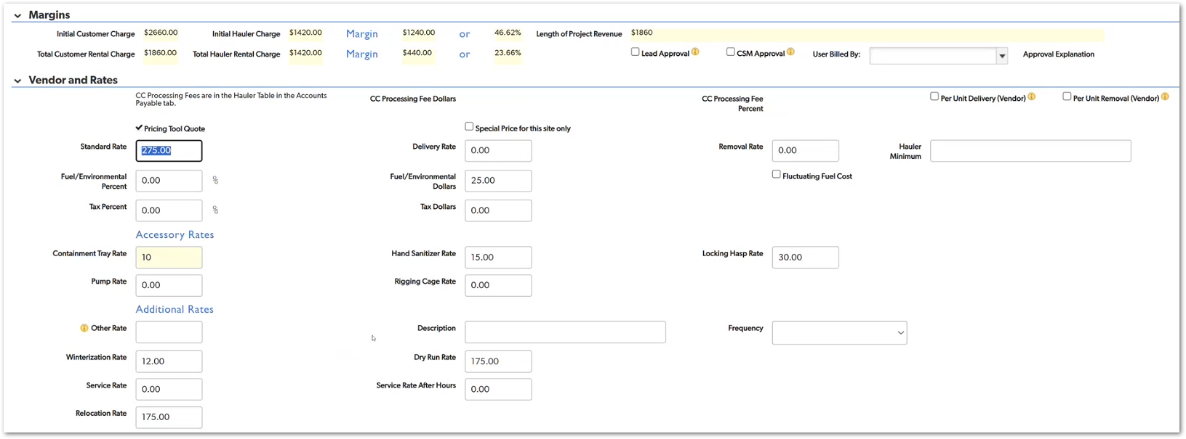 | Improves transparency in cost structure. | TBD
CUBE-D2-010 | Site Management | Functional Logic | Customer → Site Lifecycle | Site Creation & Linking | Create Site Linked to Customer | As an Account Manager (AM), I want to create a new Site under an existing Customer, so that services can be configured and managed at the correct location level. | In the customer hierarchy, Sites represent service locations where products and services are delivered and managed. The system must support creating a Site directly under a Customer and storing the Site’s core attributes (address/location details, site-level settings, ownership/audit metadata). Once created, the user should land on the Site record to continue operational setup. |  | Day 2, Part 1 [0:24:36 – 0:26:10] |  | walks the Site page and its fields, and explicitly highlights the audit metadata (created date, last updated, owner). | TBD
1. The Site record must require a valid ZIP code value to be stored as part of the address/location information.
2. When a ZIP code is entered or updated, the system must automatically populate any configured dependent location fields based on ZIP-to-relationship mapping (e.g., service area/branch/region assignments).
3. If the ZIP code does not match a known mapping, the system must:
- Prevent saving OR clearly flag the record as incomplete (depending on defined business rule), and
- Display a descriptive error message indicating the ZIP mapping issue.
4. If the user changes the ZIP code, the system must refresh the dependent mapped fields immediately so the Site does not retain stale relationship data.
5. ZIP-driven mapping must be applied consistently across Site creation and Site edits (not only during initial creation).
6. The system must log ZIP changes (old ZIP → new ZIP) in the audit trail with user and timestamp.
CUBE-D2-011 | Site Management | Data Integrity | Site Address & Location Intelligence | ZIP-Based Location Mapping | Auto-Populate Site Attributes from ZIP Code | As an Account Manager (AM), I want ZIP code relationships to drive automatic population of location-related fields, so that site records are consistent and routing/assignment logic works correctly. | During Day 2 – Part 1, they discuss that ZIP code is not just a simple address field: it is connected to internal “relationships” used to derive other operational attributes (for example, mapping ZIP to service area / branch / internal routing fields). |  | Day 2, Part 1 [0:09:40 – 0:12:10] | 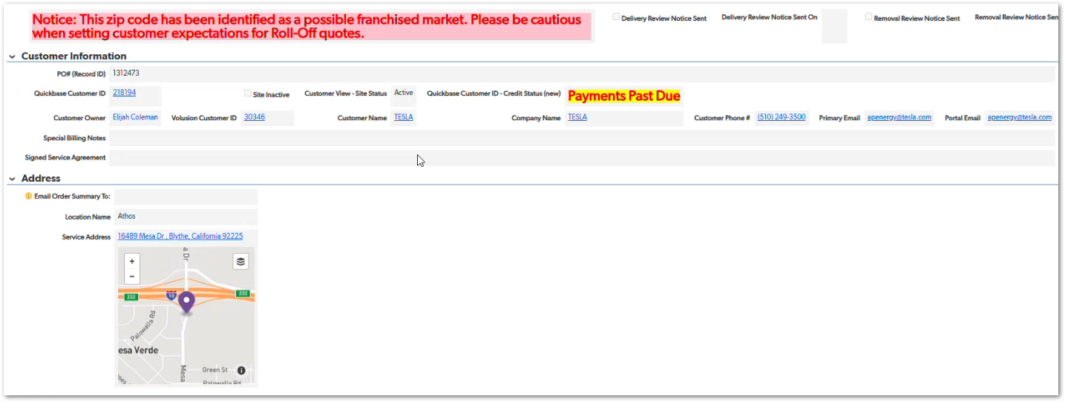 | The key requirement is the relationship mapping behavior: ZIP is used to derive other internal location attributes. | TBD
1. When a user enters a service address, the system must automatically attempt to geocode the address and display a map preview.
2. The map must update dynamically when:
- The street address is modified.
- The ZIP code is modified.
- The user selects a suggested address result.
3. The displayed map marker must correspond to the validated address shown in the address fields.
4. If the system cannot validate or geocode the address, it must: Display a clear error or warning message, Prevent silent acceptance of an invalid location.
5. The address shown in the preview tooltip (e.g., full formatted address) must match the stored service address fields.
6. The system must not allow a Site to be saved if the address fails validation (unless a defined override process exists).
7. Any improvement to the street view/map logic must ensure consistency between what the user sees visually and what is stored in the database.
CUBE-D2-012 | Site Management | UI/UX Improvement | Site Address Validation & Mapping | Automated Address Mapping Enhancement | Enhance Automated Street View / Map Preview for Site Address | As an Account Manager (AM), I want the service address to automatically display an accurate map/street preview, so that I can visually confirm the correct location before saving the Site. | An improvement related to the automated street view/map behavior when entering a service address. When a user enters or searches for a service address: - The system should automatically geocode the address. - A map preview should update dynamically. -The visual marker must accurately represent the validated address. This visual confirmation helps prevent incorrect site setup, routing issues, and delivery errors. |  | Day 2, Part 1 [21:30 – 23:30] | 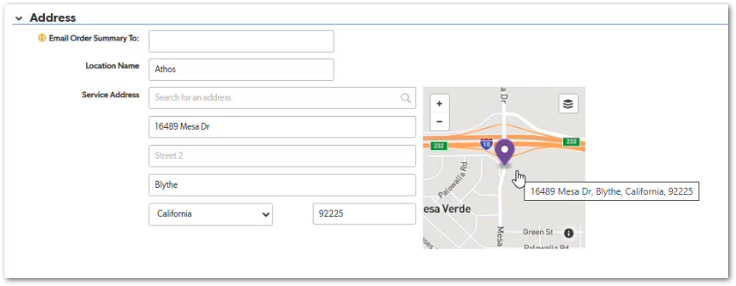 | Prevents incorrect site creation due to mistyped or partially matched addresses. | TBD
1. The Site Information section must contain configurable flags including:
- Opt Out CC Processing – Site
- Opt Out Line Item Processing – Site
- PT Rental Protection Opt-In – Customer
- PT Rental Protection Opt-In – Site
- Onsite Contact – Spanish (Only) Speaker
2. Site-level flags must override Customer-level defaults when applicable.
3. Changes to any Site-level processing flag must: Persist immediately upon save, Be logged in the audit trail with user and timestamp.
4. If “Opt Out CC Processing – Site” is enabled: The system must prevent automated credit card processing for that Site.
5. If “Opt Out Line Item Processing – Site” is enabled: Automated line item workflows must not execute for that Site.
6. If Rental Protection is toggled at Site level: It must apply only to services under that Site and not globally.
7. The system must visually distinguish Customer-level vs Site-level flags to avoid confusion.
1. The Site record must contain an “Add New Service” section clearly visible within the Site module.
2. The system must provide distinct entry buttons for each supported product line, including:
- Toilets
- Roll-offs
- Containers
- Fencing
- Other Services
- Equipment Rentals
- Front Load
- Permanent Roll-Off
3. When a user clicks any “Add [Product]” button: The system must create a new service record pre-linked to the active Site, The Site ID must be automatically associated and not manually selectable.
4. Services created from this section must inherit Site-level configuration (where applicable).
5. “Single Page Pricing” and “Get Pricing” options must: Launch pricing workflows in the context of the current Site, Not require the user to reselect the Site.
6. The system must prevent service creation without an active Site context.
7. The newly created service must appear in the Site’s service listing immediately after save.
CUBE-D2-013 | Site Management | Functional Logic | Site-Level Operational Controls | Site Processing Configuration | Configure Site-Level Processing & Operational Flags | As an Account Manager (AM), I want to configure operational processing flags at the Site level, so that automation, billing behavior, and special site requirements are controlled per location. | These flags allow configuration of site-specific overrides that influence: -Credit card (CC) processing -Line item processing automation -Rental protection opt-in status -Site-specific language needs -Contact-level behaviors These settings must apply at the Site level and override customer-level defaults where applicable. |  | Day 2, Part 1 [23:30 – 27:30] | 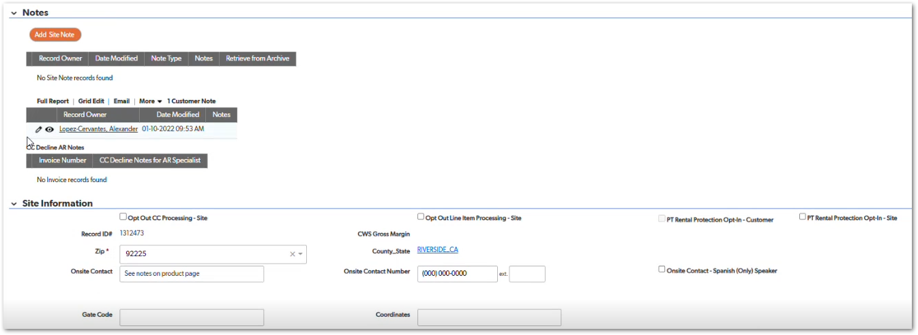 | Prevents inflated profitability reporting. | TBD
CUBE-D2-014 | Site Management | Functional Logic | Site-Level Service Lifecycle | Service Creation Entry from Site | Enable “Add New Service” from Site Record | As an Account Manager (AM), I want to initiate new services directly from a Site record, so that services are created in the correct site context without navigating elsewhere. | This section provides product-specific entry points, including: - Add Toilet - Add Roll-off - Add Container - Add Fencing - Add Other Service - Add Equipment Rental - Add Front Load - Add Permanent Roll-Off Additionally, users can access pricing flows through: - Single Page Pricing -Get Pricing |  | Day 2, Part 1 [30:45 – 33:30] | 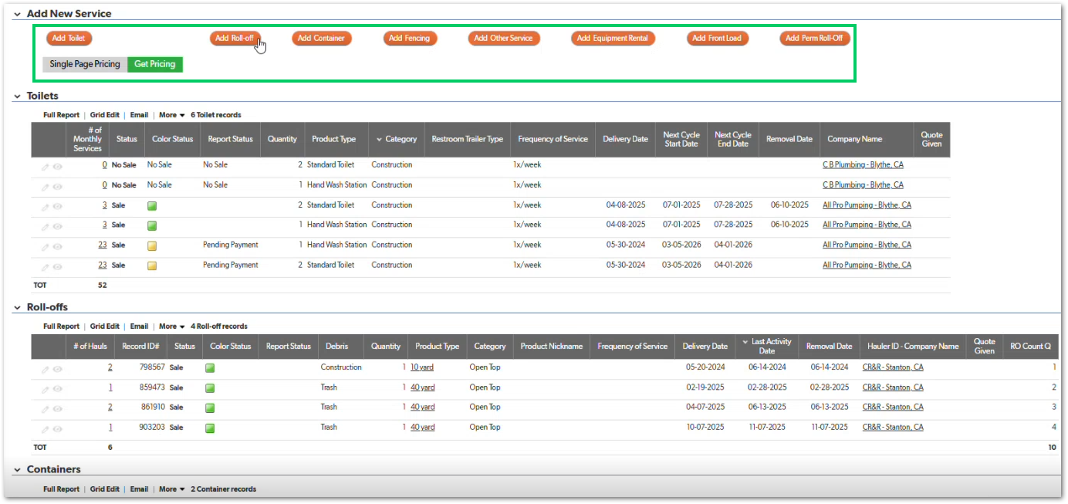 | N/A | TBD
1. The Site module must contain a Documents section accessible within the Site record.
2. The system must provide dedicated upload controls for:
- Service Agreement
- Placement Maps
3. Uploaded documents must:
- Be stored and linked specifically to the active Site record.
- Not be stored globally at the Customer level unless explicitly configured.
4. After upload, the system must: Display the document as attached to the Site, Allow retrieval/download of the document.
5. The system must validate file uploads by: Restricting unsupported file types (based on business rule), Rejecting empty uploads.
6. Upload actions must be logged in the audit trail with:
- User
- Timestamp
- Document type
7. Documents must persist across sessions and remain accessible when revisiting the Site record.
CUBE-D2-015 | Site Management | Document Management | Site-Level Documentation Handling | Site Document Upload & Storage | Upload Service Agreement & Placement Maps at Site Level | As an Account Manager (AM), I want to upload service-related documents at the Site level, so that agreements and placement maps are stored in the correct operational context. | The UI shows dedicated upload controls for: - Service Agreement - Placement Maps These documents are tied to the Site, not just the Customer, ensuring that operational and contractual documentation remains location-specific. |  | Day 2, Part 1 [34:40 – 36:30] |  | This is location-specific documentation management, not general customer document storage. | TBD
1. The Site module must contain a Service Tickets section accessible from within the Site record.
2. The Service Tickets section must display separate tabs for each supported product/service category, including:
- Accounting Inquiries
- Storage Containers
- Roll-Offs
- Toilets
- Front Load
- Permanent Roll-Off
- Other Services
- Equipment Rental
- Line Items
- Documents
- Fulfillment Tickets
- Tasks
3. Each tab must display a grid containing ticket records specific to that product/service category.
4. The ticket grid must include, at minimum, columns for: Service Dates, Service Ticket Status, Dispatch Status, Standard Charge Status, Related Invoice (if applicable), Record Owner
5. The system must clearly distinguish between: Operational status (e.g., Complete, Dispatched), Billing status (e.g., Paid, No Action Required)
6. Clicking on a ticket record must open the detailed ticket view for that service.
7. Tickets displayed must be filtered automatically to the active Site context.
8. The system must prevent tickets from other Sites from appearing in the current Site’s ticket grid.
CUBE-D2-016 | Site Management | Operational Tracking | Site-Level Service Execution Tracking | Service Ticket Visibility & Management | Display and Manage Service Tickets by Product Type | As an Account Manager (AM), I want to view and manage service tickets at the Site level across different product categories, so that operational status, dispatch, billing, and invoicing can be tracked in one place. | The visible tabs include: - Accounting Inquiries - Storage Containers - Roll-Offs - Toilets - Front Load - Perm Roll-Off - Other Services - Equipment Rental - Line Items - Documents - Fulfillment Tickets - Tasks Each tab contains a grid of service tickets relevant to that category, displaying operational and financial information such as: - Service Dates - Service Ticket Status - Dispatch Status - Standard Charge Status - Related Invoice - Minimum Invoice – Date Created - Record Owner |  | Day 2, Part 1 [34:50 – 38:30] | 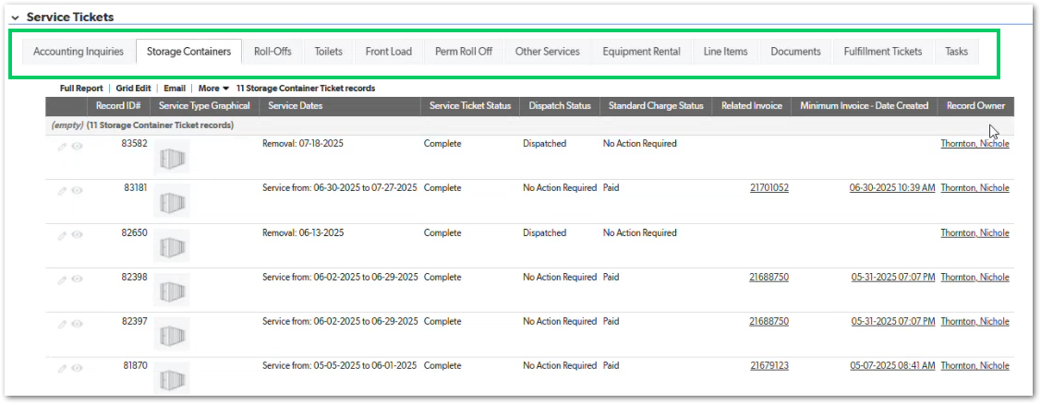 | This is a visibility and tracking feature | TBD
Tab Navigation
1. The Service Tickets section must display a tabbed interface for service categories.
2. Tabs must be horizontally aligned and clearly labeled.
3. Only one tab may be active at a time.
Supported Tabs
4. The system must support the following tabs:
- Accounting Inquiries
- Storage Containers
- Roll-Offs
- Toilets
- Front Load
- Perm Roll Off
- Other Services
- Equipment Rental
-Line Items
- Documents
-Fulfillment Tickets
-Tasks
Tab Behavior
5. Selecting a tab must dynamically load the corresponding ticket grid.
6. The Site context must remain unchanged when switching tabs.
7. The interface must preserve the selected Site record during navigation.
8. Each tab must display only records associated with the active Site.
9. Records must be filtered automatically using the Site ID.
10. If no records exist for a tab, the system must display an empty-state message such as: “No records found.”
11. Each tab must display records in a tabular grid format.
CUBE-D2-017 | Site Management | UI / UX | Site-Level Service Ticket Management | Service Ticket Navigation Interface | Service Ticket Navigation Tabs | As an Account Manager (AM), I want to navigate service tickets using categorized tabs within the Site record, so that I can quickly locate operational, billing, and fulfillment information by service type. | In the Site module, the Service Tickets section uses a tabbed interface to organize operational records across multiple service categories. Each tab represents a specific operational dataset associated with the Site. Selecting a tab loads the corresponding ticket grid without leaving the Site context. - Observed tabs include: - Accounting Inquiries - Storage Containers - Roll-Offs - Toilets - Front Load - Perm Roll Off - Other Services - Equipment Rental - Line Items - Documents - Fulfillment Tickets - Tasks Each tab displays a grid of records relevant to that category, allowing users to review operational activity, billing status, dispatch information, or related documentation. |  | Day 2, Part 1 [37:50 – 45:30] | 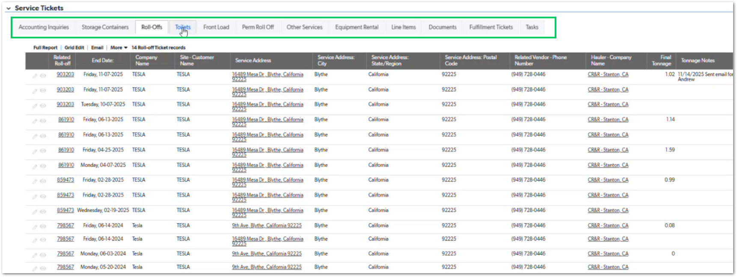 | This story defines UI structure only. | TBD
1. The system must record log entries for key actions performed on Site-related records.
2. Each log entry must capture at minimum:
- User performing the action
- Timestamp of the action
- Type of action performed
3. Logged actions must include: Record creation, Record modification, Status updates, Operational updates
4. Log entries must be stored in chronological order.
5. Logs must be accessible for review by authorized users.
6. Logs must remain immutable once recorded.
CUBE-D2-018 | Site Management | Audit / Governance | System Audit & Traceability | Record Change Tracking | Site Record Log | As an Admin (Admin), I want the system to record logs of user actions with timestamps, so that changes to Site records and related data can be audited and traced | These logs provide visibility into system activity such as: - Record creation - Record updates - Status changes - Operational updates Each log entry records the user responsible for the action and the timestamp when it occurred, enabling traceability and accountability across the platform. |  | Day 2 – Part 1: ~47:30 – 49:30 | NO MOCKUP | This is an auditability feature, not a UI feature. | TBD
1. The system must provide a Task Dashboard view for the Account Manager (AM) role that displays follow-up workload as KPI-style tiles.
2. Each tile must represent a defined follow-up category (examples shown in the dashboard include):
- Inactive Customer Check-Ins
- Product-line current service check-ins (e.g., PT / RO / SC / FEN)
- Delivery follow-ups by product line
- No-sale follow-ups by product line
- Additional follow-up categories as configured (e.g., OS – Junk Removal follow-up)
3. Each tile must display a numeric count that is calculated from a query (rule-based filter) over relevant records.
4. Tile counts must refresh based on the latest data whenever the dashboard is loaded (no stale cached values unless explicitly designed).
5. Clicking a tile must open the underlying filtered record list that explains the count (user must be able to see which records are included).
6. The dashboard must clearly label tiles so that users understand:
- The follow-up category (e.g., “Delivery Follow-Ups”)
- The product line segment (e.g., “PT”, “RO”, “SC”, “FEN”, “OS”)
7. If a tile has zero matching records, it must still display as a tile with “0” to confirm that the category is being tracked.
8. The dashboard must be permission-based:
AMs see only records assigned to them (or within their defined scope), if assignment logic exists
Task Creation
1. The system must allow users to create a new task through the Add Task interface.
2. Each task must capture the following minimum information:
-Task Type
- Status
- Subject or Task Name
- Assigned Employee
- Action Date
Context Association
3. A task must be able to be associated with:
- A Customer
- A Site (optional if not applicable)
4. When a Site is selected, the system must display associated site details including:
- Service Address
- Onsite Contact information
5. The system must allow users to specify: Action Date, Duration, Actual Completion Date
6. The system must automatically calculate End Date based on task duration when applicable.
7. Users must be able to update task status values such as: Open, In Progress, Completed, Other configured statuses
8. When a task is marked Completed, the system must record the completion timestamp.
9. Users must be able to attach supporting documentation to a task via file upload.
10. Users must be able to open and edit existing tasks to update status, notes, or assignments.
11. The system must maintain an audit trail of task modifications.
12. The tasks assigned to a specific user should trigger notifications.
CUBE-D2-019 | Site Management | UI/UX | Task Visibility & Follow-Up Management | Task Dashboard Experience | Display Query-Driven Follow-Up Tiles for Ams | As an Account Manager (AM), I want a task dashboard with query-driven tiles for follow-ups, so that I can quickly see what actions I need to take across customers and product lines. | Each tile represents a category of follow-up work (for example, inactive customer check-ins, delivery follow-ups, no-sale follow-ups) and is segmented by product line (e.g., PT, RO, SC, FEN, OS). These tiles are powered by background queries that count records matching certain conditions. The purpose is to let AMs identify follow-up priorities immediately without manually filtering lists. |  | Day 2, Part 1 [0:51:30 – 0:54:30] | 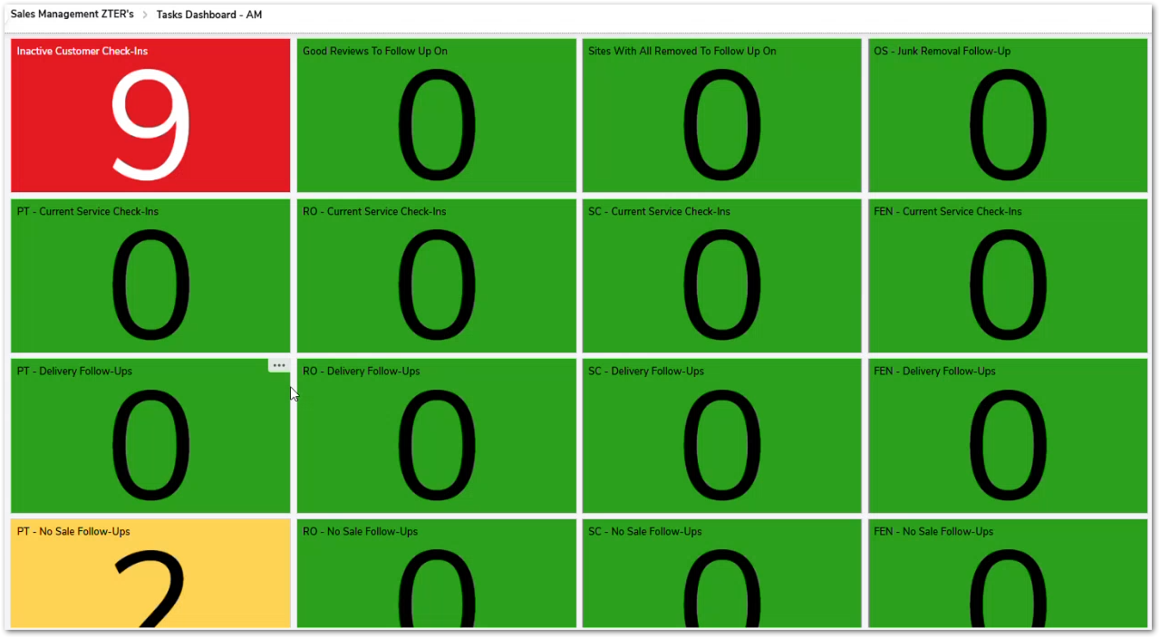 | This is explicitly described as being driven by background queries, so implementation should support configurable query definitions rather than hardcoding each tile. | TBD
CUBE-D2-020 | Sales Management | Operational Workflow | Task Management & Follow-Up Tracking | Task Lifecycle Management | Create and Edit Tasks for Customer and Site Follow-Ups | As an Account Manager (AM), I want to create and update tasks related to customers and sites, so that operational follow-ups and account actions can be tracked and completed. | This form allows users to create tasks associated with a specific Customer, Site, and Employee, enabling structured follow-up tracking for operational or account-related actions. |  | Day 2, Part 1 [0:56:00 – 1:00:00] | 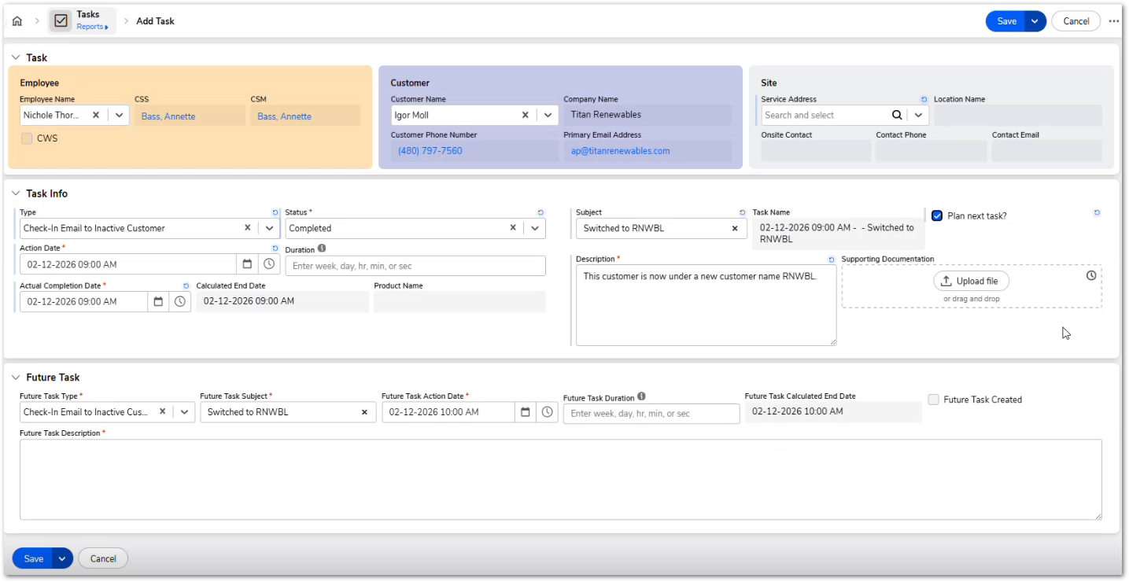 | Tasks appear in the Task Dashboard tiles previously described | TBD
1. The system must support integration with external telephony or CRM APIs capable of detecting incoming customer calls.
2. When an incoming call is identified, the system must attempt to match the caller with an existing customer record.
3. If a customer record is identified, the system must display a contextual pop-up containing relevant information such as: Customer name, Company name, Customer contact information, Associated Sites, Existing services
4. The pop-up must provide quick navigation options to common actions including:
- Create new quote
- Add service
- View service history
- Open customer record
5. The system must not interrupt the user’s current workflow; pop-ups should appear as assistive notifications.
6. If the caller cannot be matched to a customer record, the system must allow the AM to create a new customer record from the call interface.
7. All integrations must comply with security and authentication requirements defined by the system’s integration framework.
CUBE-D2-021 | Sales Management | Workflow Automation | Customer Interaction & Call Assistance | Phone Call Support Tools | Provide Real-Time Customer Context During Incoming Calls | As an Account Manager (AM), I want the system to surface relevant customer information and contextual prompts during phone calls, so that I can quickly respond to service requests and provide accurate quotes. | The idea is to enhance the system’s ability to assist Account Managers when they are handling incoming customer phone calls. When a customer calls to request a quote or service, the system could leverage API integrations and contextual pop-ups to automatically surface relevant information such as: - Customer account details - Existing sites - Current services - Service history - Pricing or quoting tools |  | Day 2, Part 1 [1:35:00 – 1:38:00] | 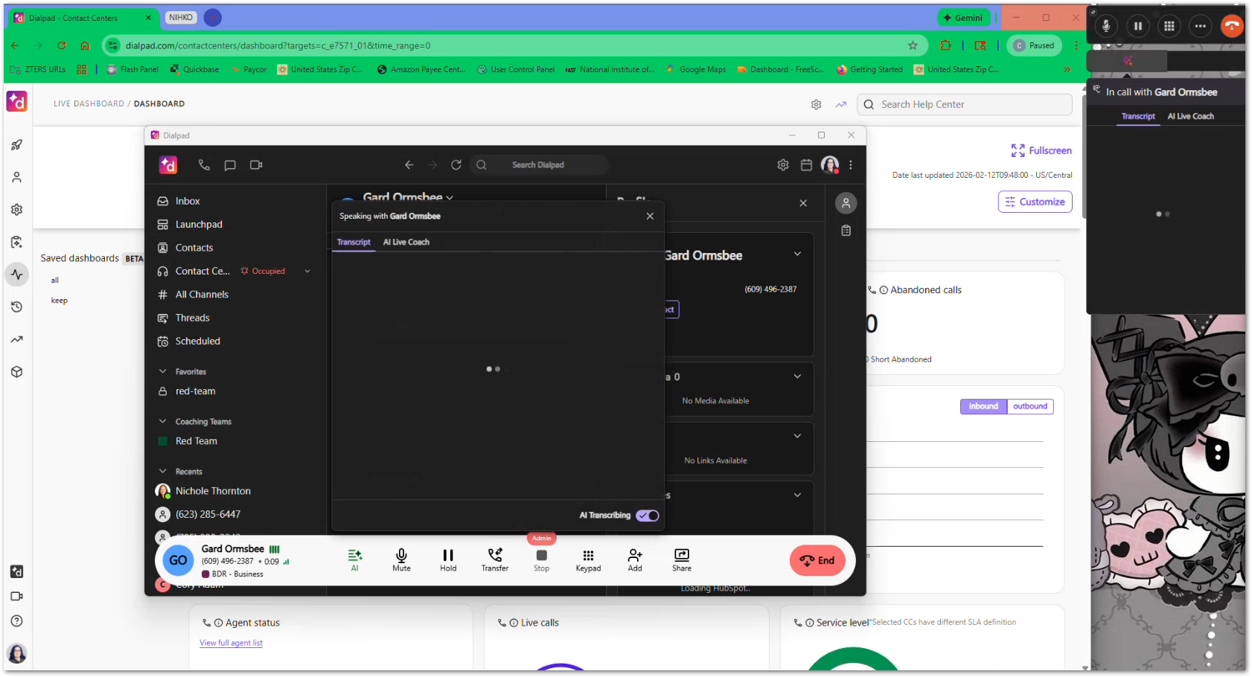 | This story describes a future enhancement, not necessarily existing functionality. | TBD
1. The system must provide an optional guided questionnaire interface when accessing the Pricing Tool.
2. The questionnaire must collect key information needed for service pricing, including:
- Service type
- Quantity
- Service frequency
- Project duration
- Additional service options (if applicable)
3. Based on questionnaire responses, the system must automatically populate relevant pricing fields within the Pricing Tool.
4. Users must still be able to manually edit populated fields after the questionnaire completes.
5. The questionnaire must dynamically adjust questions depending on the selected service type.
6. The questionnaire must not prevent users from accessing the traditional manual pricing interface.
7. All populated values must remain visible and traceable to ensure transparency in the pricing calculation process.
1. The system must allow an administrator or manager to assign a temporary substitute for a user.
2. The substitute user must be able to view and manage records normally owned by the unavailable employee during the reassignment period.
3. Temporary reassignment must apply to operational records including:
- Customers
- Sites
- Service modules (e.g., Toilets, Containers, Roll-offs)
- Service Tickets
- Tasks
- Fulfillment Tickets
4. The system must allow the reassignment to be configured with: Start date, End date, Assigned substitute employee
5. During the reassignment period, the substitute user must be able to: View records, Update records, Manage service tickets, Create tasks and notes
6. The original ownership of records must remain unchanged in the database unless explicitly transferred.
7. Once the reassignment period ends, normal ownership visibility must automatically be restored.
CUBE-D2-022 | Pricing | Workflow Improvement | Pricing Tool Usability Enhancements | Pricing Configuration Assistance | Auto-Populate Pricing Inputs Using a Guided Questionnaire | As an Account Manager (AM), I want the system to guide me through a questionnaire that automatically fills relevant pricing tool fields, so that I can generate quotes faster and with fewer errors. | Currently, users may need to manually fill several pricing-related fields when preparing quotes for services. This process can be time-consuming and may lead to inconsistent inputs if the user is unsure which parameters are required. To improve usability, the system could introduce a guided questionnaire that asks structured questions about the service being quoted. Based on the user’s responses, the system would automatically populate relevant pricing fields in the Pricing Tool. |  | Day 2, Part 1 [2:11:00 – 2:15:00] | 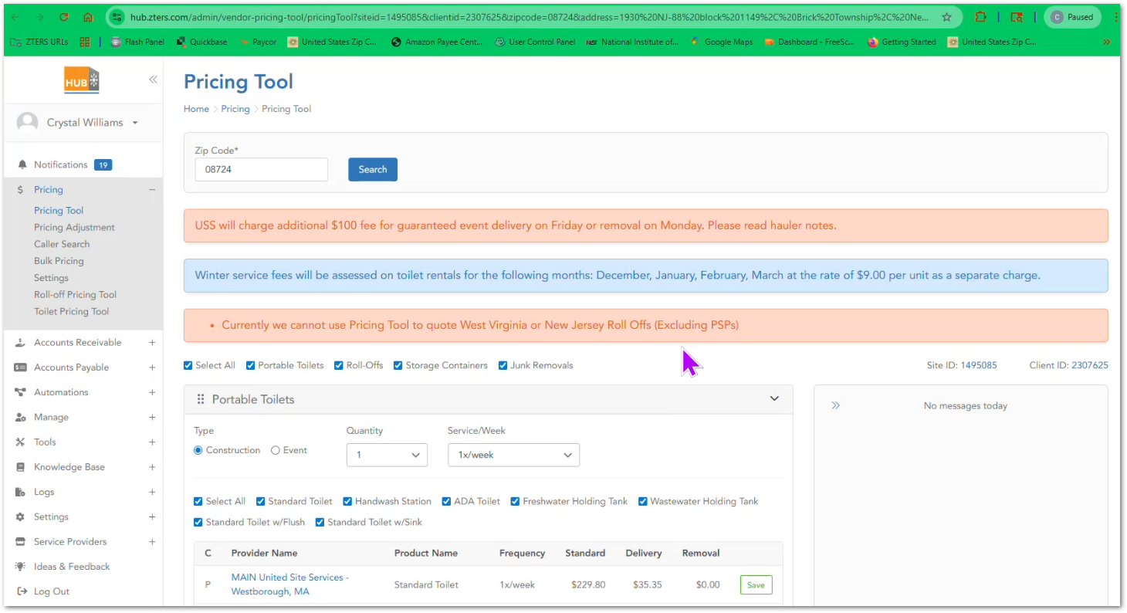 | This is an enhancement to improve pricing workflow efficiency, not a replacement for the existing pricing interface. | TBD
CUBE-D2-023 | Sales Management | User Management / Operational Continuity | Account Ownership Management | Temporary Ownership Reassignment | Allow Temporary Reassignment of Customers and Service Tickets | As a Sales Manager or System Administrator, I want to temporarily reassign customers, service tickets, and related records to another employee, so that service operations continue uninterrupted when an Account Manager is unavailable. | In these cases, another employee must be able to temporarily manage that employee’s customers, service tickets, and operational responsibilities. Currently, ownership fields such as Record Owner, Customer Owner, or Account Manager determine who is responsible for managing service requests and follow-ups. The system should support a temporary reassignment mechanism that allows another employee to take over responsibility for records during a defined period. |  | Day 2, Part 1 [2:45:00 – 2:48:00] | NO MOCKUP | This feature supports business continuity during employee absence. | TBD
1. The system must provide a Status dropdown field within the sale record.
2. The dropdown must include the following options:
- No Sale
- Quote in Progress
- Hauler Quote
- Canceled
- Sale
3. Users must be able to select one of the available status values.
4. The selected status must be saved as part of the sale record.
5. The system must display the Sale Recorded At timestamp associated with the sale record.
6. The system must display the Report Status section associated with the record.
CUBE-D2-024 | Sales Management | Sale Management | Sale Lifecycle Management | Sale Record Status Management | Allow Users to Set the Status of a Sale | As a user managing a sale record, I want to select the appropriate status of the sale, so that the system reflects the current stage of the sales process. | The system provides a dropdown field labeled Status, which allows the user to define the current state of a sale. The selected status reflects the outcome or progress of the sales opportunity. From the interface shown in the demonstration, the available status options include: - No Sale -Quote in Progress -Hauler Quote -Canceled -Sale |  | Day 2, Part 1 [3:01:00 – 3:10:00] |  | Status should be the same throughtout the different product lines in Quickbase | TBD
1. The system must provide a Product Type field when configuring a service.
2. The Product Type field must display a searchable dropdown list.
3. Each option in the dropdown must display information including:
- Standard Charge Abbreviation
- Parent Product and Category
- Product Type
4. Users must be able to select one of the available product types.
5. The selected product type must be saved as part of the service configuration.
CUBE-D2-025 | Sales Management | Service Configuration | Service Setup | Product Selection | Select Product Type When Configuring a Service | As a user creating or managing a service record, I want to select a product type from a list of available options, so that the correct service equipment or unit type is associated with the service. | When configuring a service, the user must select a Product Type from a dropdown list in the Service Information section. This list contains predefined product types associated with a specific category. The dropdown displays multiple entries including information such as: - Standard Charge Abbreviation - Parent Product and Category - Product Type |  | Day 2, Part 1 [3:21:00 – 3:30:00] |  | N/A | TBD

